Sheet1
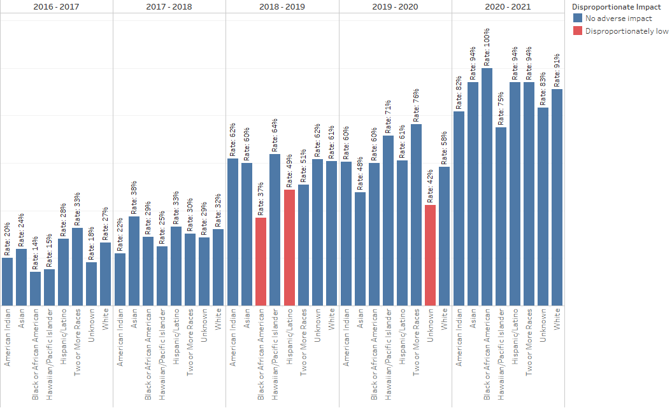
Metric | IPEDS Race/Ethnicity |  | 2016 - 2017 | 2017 - 2018 | 2018 - 2019 | 2019 - 2020 | 2020 - 2021 | Adverse disproportionate impact noted with red border
Access/Placement: Among all newly enrolled students who have an assessment record and who have the goal of earning a degree, certificate, or transferring; the percent who assess into both transfer level math and English. | American Indian | Cohort # | 40 | 50 | 68 | 43 | 22
 |  | Success Rate | 20% | 22% | 62% | 60% | 82%
 |  | All Others Success Rate | 27% | 32% | 56% | 59% | 92%
 |  | Success Gap | -6.6% | -10.0% | 5.9% | 1.5% | -9.7%
 | Asian | Cohort # | 21 | 16 | 35 | 21 | 17
 |  | Success Rate | 24% | 38% | 60% | 48% | 94%
 |  | All Others Success Rate | 26% | 31% | 56% | 59% | 91%
 |  | Success Gap | -2.5% | 6.3% | 3.9% | -11.8% | 3.1%
 | Black or African American | Cohort # | 49 | 52 | 27 | 25 | 5
 |  | Success Rate | 14% | 29% | 37% | 60% | 100%
 |  | All Others Success Rate | 27% | 31% | 57% | 59% | 91%
 |  | Success Gap | -12.7% | -2.6% | -19.7% | 1.0% | 9.0%
 | Hawaiian/Pacific Islander | Cohort # | 13 | 8 | 11 | 7 | 4
 |  | Success Rate | 15% | 25% | 64% | 71% | 75%
 |  | All Others Success Rate | 26% | 31% | 56% | 59% | 91%
 |  | Success Gap | -11.0% | -6.4% | 7.5% | 12.5% | -16.2%
 | Hispanic/Latino | Cohort # | 225 | 187 | 285 | 144 | 101
 |  | Success Rate | 28% | 33% | 49% | 61% | 94%
 |  | All Others Success Rate | 26% | 31% | 59% | 59% | 90%
 |  | Success Gap | 2.3% | 2.5% | -10.1% | 2.5% | 3.7%
 | Two or More Races | Cohort # | 95 | 63 | 102 | 59 | 50
 |  | Success Rate | 33% | 30% | 51% | 76% | 94%
 |  | All Others Success Rate | 26% | 31% | 57% | 58% | 91%
 |  | Success Gap | 7.1% | -1.3% | -5.8% | 18.7% | 3.2%
 | Unknown | Cohort # | 11 | 14 | 13 | 59 | 30
 |  | Success Rate | 18% | 29% | 62% | 42% | 83%
 |  | All Others Success Rate | 26% | 31% | 56% | 60% | 92%
 |  | Success Gap | -8.2% | -2.8% | 5.3% | -18.1% | -8.3%
 | White | Cohort # | 437 | 367 | 554 | 399 | 265
 |  | Success Rate | 27% | 32% | 61% | 58% | 91%
 |  | All Others Success Rate | 26% | 31% | 52% | 60% | 91%
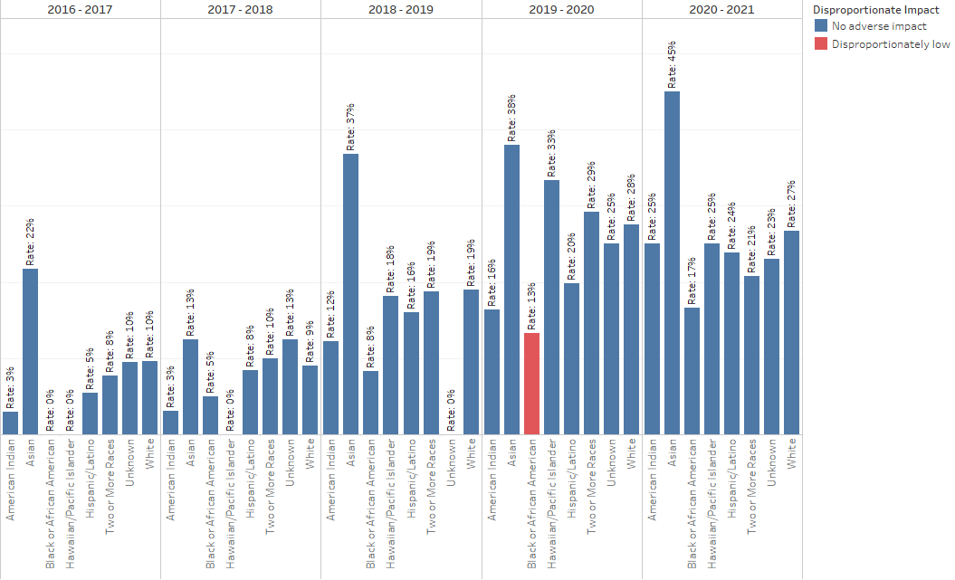
 |  | Success Gap | 0.6% | 1.6% | 9.3% | -1.4% | -0.3%
Enrollment: Among all newly enrolled students with the goal of earning a degree, certificate, or transferring; the percent who enroll in both transfer level math and English. | American Indian | Cohort # | 67 | 65 | 82 | 73 | 24
 |  | Success Rate | 3% | 3% | 12% | 16% | 25%
 |  | All Others Success Rate | 8% | 9% | 18% | 25% | 26%
 |  | Success Gap | -4.8% | -5.6% | -5.8% | -8.7% | -0.8%
 | Asian | Cohort # | 23 | 24 | 38 | 29 | 20
 |  | Success Rate | 22% | 13% | 37% | 38% | 45%
 |  | All Others Success Rate | 7% | 8% | 17% | 24% | 25%
 |  | Success Gap | 14.5% | 4.3% | 19.8% | 13.7% | 20.0%
 | Black or African American | Cohort # | 65 | 81 | 48 | 60 | 6
 |  | Success Rate | 0% | 5% | 8% | 13% | 17%
 |  | All Others Success Rate | 8% | 9% | 18% | 25% | 26%
 |  | Success Gap | -8.0% | -3.6% | -9.6% | -11.9% | -9.2%
 | Hawaiian/Pacific Islander | Cohort # | 16 | 12 | 11 | 9 | 4
 |  | Success Rate | 0% | 0% | 18% | 33% | 25%
 |  | All Others Success Rate | 8% | 8% | 18% | 25% | 26%
 |  | Success Gap | -7.7% | -8.4% | 0.6% | 8.8% | -0.8%
 | Hispanic/Latino | Cohort # | 292 | 237 | 349 | 247 | 113
 |  | Success Rate | 5% | 8% | 16% | 20% | 24%
 |  | All Others Success Rate | 8% | 8% | 18% | 26% | 26%
 |  | Success Gap | -2.8% | 0.2% | -2.1% | -6.1% | -2.4%
 | Two or More Races | Cohort # | 103 | 80 | 117 | 89 | 53
 |  | Success Rate | 8% | 10% | 19% | 29% | 21%
 |  | All Others Success Rate | 8% | 8% | 17% | 24% | 26%
 |  | Success Gap | 0.2% | 1.9% | 1.3% | 5.0% | -5.6%
 | Unknown | Cohort # | 21 | 16 | 20 | 116 | 39
 |  | Success Rate | 10% | 13% | 0% | 25% | 23%
 |  | All Others Success Rate | 8% | 8% | 18% | 25% | 26%
 |  | Success Gap | 2.0% | 4.3% | -17.9% | 0.4% | -2.9%
 | White | Cohort # | 553 | 475 | 664 | 519 | 284
 |  | Success Rate | 10% | 9% | 19% | 28% | 27%
 |  | All Others Success Rate | 6% | 8% | 16% | 22% | 25%
 |  | Success Gap | 4.0% | 1.5% | 2.7% | 5.4% | 2.1%
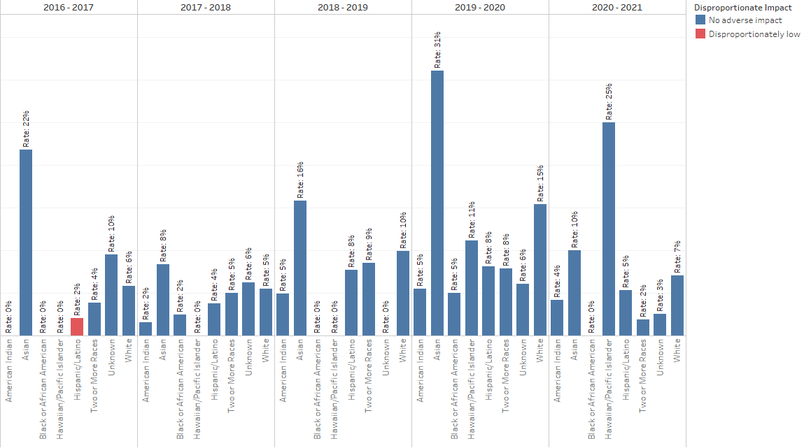
Completion: Among all newly enrolled students with the goal of earning a degree, certificate, or transferring; the percent who successfully complete both transfer level math and English. Spring 2021 courses are not yet graded as of the date these data were compiled (05/04/2021). As a result, 2020-2021 rates are artificially low. | American Indian | Cohort # | 67 | 65 | 82 | 73 | 24
 |  | Success Rate | 0% | 2% | 5% | 5% | 4%
 |  | All Others Success Rate | 5% | 5% | 9% | 12% | 6%
 |  | Success Gap | -4.6% | -3.2% | -3.9% | -6.4% | -1.8%
 | Asian | Cohort # | 23 | 24 | 38 | 29 | 20
 |  | Success Rate | 22% | 8% | 16% | 31% | 10%
 |  | All Others Success Rate | 4% | 4% | 8% | 11% | 6%
 |  | Success Gap | 17.8% | 3.9% | 7.5% | 20.1% | 4.3%
 | Black or African American | Cohort # | 65 | 81 | 48 | 60 | 6
 |  | Success Rate | 0% | 2% | 0% | 5% | 0%
 |  | All Others Success Rate | 5% | 5% | 9% | 12% | 6%
 |  | Success Gap | -4.6% | -2.3% | -8.8% | -6.8% | -6.0%
 | Hawaiian/Pacific Islander | Cohort # | 16 | 12 | 11 | 9 | 4
 |  | Success Rate | 0% | 0% | 0% | 11% | 25%
 |  | All Others Success Rate | 4% | 5% | 9% | 11% | 6%
 |  | Success Gap | -4.4% | -4.6% | -8.6% | -0.4% | 19.2%
 | Hispanic/Latino | Cohort # | 292 | 237 | 349 | 247 | 113
 |  | Success Rate | 2% | 4% | 8% | 8% | 5%
 |  | All Others Success Rate | 5% | 5% | 9% | 12% | 6%
 |  | Success Gap | -3.0% | -1.0% | -1.0% | -4.3% | -0.7%
 | Two or More Races | Cohort # | 103 | 80 | 117 | 89 | 53
 |  | Success Rate | 4% | 5% | 9% | 8% | 2%
 |  | All Others Success Rate | 4% | 5% | 8% | 12% | 6%
 |  | Success Gap | -0.5% | 0.5% | 0.0% | -3.9% | -4.4%
 | Unknown | Cohort # | 21 | 16 | 20 | 116 | 39
 |  | Success Rate | 10% | 6% | 0% | 6% | 3%
 |  | All Others Success Rate | 4% | 5% | 9% | 12% | 6%
 |  | Success Gap | 5.3% | 1.7% | -8.6% | -6.1% | -3.6%
 | White | Cohort # | 553 | 475 | 664 | 519 | 284
 |  | Success Rate | 6% | 5% | 10% | 15% | 7%
 |  | All Others Success Rate | 3% | 4% | 7% | 8% | 5%
 |  | Success Gap | 2.9% | 1.8% | 2.9% | 7.2% | 2.4%

